ES Programming Admin
DIABPS Sprint 1.2 - DIABPS-2 TEST CASES |  |  |  | TESTER INFO
Test Case ID: | DIABPS_2#01 |  |  | Created By: | Jordan Helman
User Story: | DIABPS-2 - Manage DRA Codes (Funds Management Module) |  |  | Created On: | 2026-08-27
Story Description: | As a Programming Admin within the ES Organization, I can manage the list of DRA (Directed Resource Allocation) codes available for use in the system to track various entities that require special oversight. |  |  | Reviewed By:
User Role: | ES Programming Admin |  |  | Reviewed On:
Acceptance Criteria: |  |  |  | Executed By: | Jordan Helman
Environment: | DIABPS Test |  |  | Executed On: | 8/31/2026 - 9/2/2026

TEST SCENARIO 1
Test Scenario: | An ES Programming Admin can create a new DRA code.
Pre-Conditions:
Execution Steps: |  | Input Data | Expected Result | Pass/Fail | Comments
STEP 1 | Log in as an ES Programming Admin https://ams-test.appiancloud.us/suite/ | Username: jordan.esprogrammingadmin | The user logs in successfully and is now on the Planning Module Home page | Pass
STEP 2 | Click the Site Navigation Menu located on the top-right of the page |  | A list of available sites displays | Pass
STEP 3 | Click "BPS Funds Management" |  | The Funds Management Home Page displays in a new browser tab | Pass
STEP 4 | Click the "CODES" tab in the Navigation Header |  | The Codes record page displays | Pass
STEP 5 | Verify the "DRA Code" tab is selected by default (indicated by a darkened color) |  |  | Pass
STEP 6 | Click the "+ CREATE DRA CODE" button located on the top-right of the page |  | The DRA Code creation form displays in a pop-up window | Pass
STEP 7 | DRA Code* Text Field Enter a valid DRA Code | DRA Code: DRA_2#0101 | The entered value persists with no error/validation message | Pass
STEP 8 | Name* Text Field Enter a valid Name | Name: JH DRA Code 2#0101 | The entered value persists with no error/validation message | Pass
STEP 9 | Start Fiscal Year* Dropdown Field View all available options for selection Select a Start Fiscal Year | Start Fiscal Year: 2026 | 1. The options consist of the earliest "Start Fiscal Year" of all "Active" DRA Codes, 5 Out-Years from the current Fiscal Year, and every year in-between 2. The selected value persists with no error/validation message | Pass
STEP 10 | Expired Fiscal Year Dropdown Field Tooltip: "The selected fiscal year marks the first year this code will no longer be available for use" View all available options for selection Select an Expired Fiscal Year | Expired Fiscal Year: 2027 | 1. The options consist of the current Fiscal Year, 5 Out-Years from the current Fiscal Year, and every year in-between 2. The selected value persists with no error/validation message | Pass
STEP 11 | Click the "CREATE DRA CODE" button |  | The pop-up window closes | Pass
STEP 12 | Scroll to the bottom of the page and click the "Show Columns" link |  | A column selection section appears | Pass
STEP 13 | Click the "All" link |  | The "Created By", "Created On", "Last Modified By", and "Last Modified On" columns are added to the DRA Code record grid | Pass
STEP 14 | Verify a row for the new DRA Code appears in the grid |  |  | Pass
STEP 15 | Verify the data in each column for this row is correct |  |  | Fail | [Jordan]: "Last Modified By" column displays a date rather than a user. Added this issue to the bug tracker
STEP 16 | Click the link located in the "ID" column |  | A DRA Code summary view displays in a new browser tab | Pass
STEP 17 | Verify all displayed data is correct |  |  | Pass
STEP 18 | Log out |  | The user is logged out of the application | Pass
Overall Status: | 1. A new DRA Code is created 2. All data entered by the user is saved 3. The DRA Code's status is set to 'Active' 4. The system logs who created the DRA Code and the timestamp |  |  | Pass

TEST SCENARIO 2
Test Scenario: | An ES Programming Admin cannot create a DRA Code with invalid data. [NEGATIVE TESTING]
Pre-Conditions: | At least 1 DRA Code exists in the system
Execution Steps: |  | Input Data | Expected Result | Pass/Fail | Comments
STEP 1 | Log in as an ES Programming Admin https://ams-test.appiancloud.us/suite/ | Username: jordan.esprogrammingadmin | The user logs in successfully and is now on the Planning Module Home page | Pass
STEP 2 | Click the Site Navigation Menu located on the top-right of the page |  | A list of available sites displays | Pass
STEP 3 | Click "BPS Funds Management" |  | The Funds Management Home Page displays in a new browser tab | Pass
STEP 4 | Click the "CODES" tab in the Navigation Header |  | The Codes record page displays | Pass
STEP 5 | Click the "+ CREATE DRA CODE" button located on the top-right of the page |  | The DRA Code creation form displays in a pop-up window | Pass
STEP 6 | Click the "CREATE DRA CODE" button |  | 1. The form does not submit 2. The DRA Code, Name, and Start Fiscal Year fields display the validation message "A value is required" | Pass
STEP 7 | DRA Code* Text Field Enter 76+ characters | DRA Code: AAAAAAAAAAAAAAAAAAAAAAAAAAAAAAAAAAAAAAAAAAAAAAAAAAAAAAAAAAAAAAAAAAAAAAAAAAAA | The field displays a validation message explaining you cannot exceed the character limit | Pass
STEP 8 | Name* Text Field Enter 256+ characters | Name: <256 A characters> | The field displays a validation message explaining you cannot exceed the character limit | Pass
STEP 9 | Start Fiscal Year* Dropdown Field Select a Start Fiscal Year | Start Fiscal Year: 2026 | The selected value persists with no error/validation message | Pass
STEP 10 | Click the "CREATE DRA CODE" button |  | The form does not submit | Pass
STEP 11 | Click the "CANCEL" button |  | The pop-up window closes | Pass
STEP 12 | Click the "+ CREATE DRA CODE" button |  | The DRA Code creation form displays in a pop-up window | Pass
STEP 13 | DRA Code* Text Field Enter the exact DRA Code of the DRA Code from Pre-Conditions | DRA Code: DRA_2#0101 | The field displays the validation message "A DRA Code with this code already exists in the system." | Fail | [Jordan]: Validation does not appear if the other DRA Code is archived. Added this issue to the bug tracker
STEP 14 | Name* Text Field Enter a valid Name | Name: JH DRA Code 2#0102 | The entered value persists with no error/validation message | Pass
STEP 15 | Start Fiscal Year* Dropdown Field Select a Start Fiscal Year | Start Fiscal Year: 2026 | The selected value persists with no error/validation message | Pass
STEP 16 | Click the "CREATE DRA CODE" button |  | The form does not submit | Pass
STEP 17 | Click the "CANCEL" button |  | The pop-up window closes | Pass
STEP 18 | Log out |  | The user is logged out of the application | Pass
Overall Status: | A new DRA Code is not created |  |  | Pass

TEST SCENARIO 3
Test Scenario: | In the DRA Code creation form, an ES Programming Admin can cancel/discard their work.
Pre-Conditions:
Execution Steps: |  | Input Data | Expected Result | Pass/Fail | Comments
STEP 1 | Log in as an ES Programming Admin https://ams-test.appiancloud.us/suite/ | Username: jordan.esprogrammingadmin | The user logs in successfully and is now on the Planning Module Home page | Pass
STEP 2 | Click the Site Navigation Menu located on the top-right of the page |  | A list of available sites displays | Pass
STEP 3 | Click "BPS Funds Management" |  | The Funds Management Home Page displays in a new browser tab | Pass
STEP 4 | Click the "CODES" tab in the Navigation Header |  | The Codes record page displays | Pass
STEP 5 | Click the "+ CREATE DRA CODE" button located on the top-right of the page |  | The DRA Code creation form displays in a pop-up window | Pass
STEP 6 | Click the "CANCEL" button |  | The pop-up window closes | Pass
STEP 7 | Click the "+ CREATE DRA CODE" button |  | The DRA Code creation form displays in a pop-up window | Pass
STEP 8 | DRA Code* Text Field Enter a valid DRA Code | DRA Code: DRA_2#0103 | The entered value persists with no error/validation message | Pass
STEP 9 | Name* Text Field Enter a valid Name | Name: JH DRA Code 2#0103 | The entered value persists with no error/validation message | Pass
STEP 10 | Start Fiscal Year* Dropdown Field Select a Start Fiscal Year | Start Fiscal Year: 2026 | The selected value persists with no error/validation message | Pass
STEP 11 | Click the "CANCEL" button |  | The pop-up window closes | Pass
STEP 12 | Verify the DRA Code was not created |  |  | Pass
STEP 13 | Log out |  | The user is logged out of the application | Pass
Overall Status: | 1. No new DRA Codes are created 2. All data entered by the user is discarded |  |  | Pass

TEST SCENARIO 4
Test Scenario: | An ES Programming Admin can update a DRA Code.
Pre-Conditions: | At least 1 Active DRA Code exists in the system
Execution Steps: |  | Input Data | Expected Result | Pass/Fail | Comments
STEP 1 | Log in as an ES Programming Admin https://ams-test.appiancloud.us/suite/ | Username: jordan.esprogrammingadmin | The user logs in successfully and is now on the Planning Module Home page | Pass
STEP 2 | Click the Site Navigation Menu located on the top-right of the page |  | A list of available sites displays | Pass
STEP 3 | Click "BPS Funds Management" |  | The Funds Management Home Page displays in a new browser tab | Pass
STEP 4 | Click the "CODES" tab in the Navigation Header |  | The Codes record page displays | Pass
STEP 5 | In the grid, locate the row for the DRA Code referenced in Pre-Conditions |  |  | Pass
STEP 6 | Click the "Actions" icon located in the right-most column |  | The "Update DRA Code" action is available | Pass
STEP 7 | Click the "Update DRA Code" action |  | The DRA Code update form displays in a pop-up window | Pass | [Jordan]: This action is also available on the DRA Code summary view
STEP 8 | DRA Code* Text Field Verify the field is pre-populated with the record's current "DRA Code" value |  |  | Pass
STEP 9 | Verify the field is disabled and cannot be edited |  |  | Pass
STEP 10 | Name* Text Field Verify the field is pre-populated with record's current "Name" value |  |  | Pass
STEP 11 | Clear the field and enter a different valid Name | Name: JH DRA Code 2#0104 | The entered value persists with no error/validation message | Pass
STEP 12 | Start Fiscal Year* Dropdown Field Verify the field is pre-populated with the record's current "Start Fiscal Year" value |  |  | Pass
STEP 13 | Verify the field is disabled and cannot be edited |  |  | Pass
STEP 14 | Expired Fiscal Year Dropdown Field Verify the field is pre-populated with record's current "Expired Fiscal Year" value |  |  | Pass
STEP 15 | Clear the field and enter a different Expired Fiscal Year | Expired Fiscal Year: 2028 | The entered value persists with no error/validation message | Pass
STEP 16 | Click the "UPDATE DRA CODE" button |  | The pop-up window closes | Pass
STEP 17 | Scroll to the bottom of the page and click the "Show Columns" link |  | A column selection section appears | Pass
STEP 18 | Click the "All" link |  | The "Created By", "Created On", "Last Modified By", and "Last Modified On" columns are added to the DRA Code record grid | Pass
STEP 19 | Locate the row for the updated DRA Code |  |  | Pass
STEP 20 | Verify the "Name" and "Expired Fiscal Year" columns reflect the updated values |  |  | Pass
STEP 21 | Verify the "Last Modified By" column is set to the logged-in user, and the "Last Modified On" column is set to the time you updated the DRA Code |  |  | Fail | [Jordan]: "Last Modified By" column displays a date rather than a user. Added this issue to the bug tracker
STEP 22 | Click the link located in the "ID" column |  | A DRA Code summary view displays in a new browser tab | Pass
STEP 23 | Verify the "Name" and "Expired Fiscal Year" fields reflect the updated values |  |  | Pass
STEP 24 | Verify the "Last Modified By" field is set to the logged-in user, and the "Last Modified On" field is set to the time you updated the DRA Code |  |  | Pass
STEP 25 | Log out |  | The user is logged out of the application | Pass
Overall Status: | 1. The DRA Code has been successfully updated 2. All data entered by the user is saved 3. The system logs who updated the DRA Code and the timestamp |  |  | Pass

TEST SCENARIO 5
Test Scenario: | An ES Programming Admin cannot update a DRA Code with invalid data. [NEGATIVE TESTING]
Pre-Conditions: | At least 1 Active DRA Code exists in the system
Execution Steps: |  | Input Data | Expected Result | Pass/Fail | Comments
STEP 1 | Log in as an ES Programming Admin https://ams-test.appiancloud.us/suite/ | Username: jordan.esprogrammingadmin | The user logs in successfully and is now on the Planning Module Home page | Pass
STEP 2 | Click the Site Navigation Menu located on the top-right of the page |  | A list of available sites displays | Pass
STEP 3 | Click "BPS Funds Management" |  | The Funds Management Home Page displays in a new browser tab | Pass
STEP 4 | Click the "CODES" tab in the Navigation Header |  | The Codes record page displays | Pass
STEP 5 | In the grid, locate the row for the DRA Code referenced in Pre-Conditions |  |  | Pass
STEP 6 | Click the "Actions" icon located in the right-most column |  | The "Update DRA Code" action is available | Pass
STEP 7 | Click the "Update DRA Code" action |  | The DRA Code update form displays in a pop-up window | Pass | [Jordan]: This action is also available on the DRA Code summary view
STEP 8 | Clear the Name field |  | The Name field has no value | Pass
STEP 9 | Click the "UPDATE DRA CODE" button |  | 1. The form does not submit 2. The Name field displays the validation message "A value is required" | Pass
STEP 10 | Name* Text Field Enter 256+ characters | Name: <256 A characters> | The field displays a validation message explaining you cannot exceed the character limit | Pass
STEP 11 | Click the "UPDATE DRA CODE" button |  | The form does not submit | Pass
STEP 12 | Click the "CANCEL" button |  | The pop-up window closes | Pass
STEP 13 | Log out |  | The user is logged out of the application | Pass
Overall Status: | The DRA Code is not updated |  |  | Pass

TEST SCENARIO 6
Test Scenario: | In the DRA Code update form, an ES Programming Admin can cancel/discard their work.
Pre-Conditions: | At least 1 Active DRA Code exists in the system
Execution Steps: |  | Input Data | Expected Result | Pass/Fail | Comments
STEP 1 | Log in as an ES Programming Admin https://ams-test.appiancloud.us/suite/ | Username: jordan.esprogrammingadmin | The user logs in successfully and is now on the Planning Module Home page | Pass
STEP 2 | Click the Site Navigation Menu located on the top-right of the page |  | A list of available sites displays | Pass
STEP 3 | Click "BPS Funds Management" |  | The Funds Management Home Page displays in a new browser tab | Pass
STEP 4 | Click the "CODES" tab in the Navigation Header |  | The Codes record page displays | Pass
STEP 5 | In the grid, locate the row for the DRA Code referenced in Pre-Conditions |  |  | Pass
STEP 6 | Click the "Actions" icon located in the right-most column |  | The "Update DRA Code" action is available | Pass
STEP 7 | Click the "Update DRA Code" action |  | The DRA Code update form displays in a pop-up window | Pass | [Jordan]: This action is also available on the DRA Code summary view
STEP 8 | Click the "CANCEL" button |  | The pop-up window closes | Pass
STEP 9 | Click the "Actions" icon, then the "Update DRA Code" action |  | The DRA Code update form displays in a pop-up window | Pass
STEP 10 | Clear the Name and Expired Fiscal Year fields |  | The Name and Expired Fiscal Year fields have no value | Pass
STEP 11 | Name* Text Field Enter a different valid Name | Name: JH DRA Code 2#0106 | The entered value persists with no error/validation message | Pass
STEP 12 | Expired Fiscal Year Dropdown Field Enter a different Expired Fiscal Year | Expired Fiscal Year: 2029 | The entered value persists with no error/validation message | Pass
STEP 13 | Click the "CANCEL" button |  | The pop-up window closes | Pass
STEP 14 | Verify that none of the fields for the DRA Code have been updated |  |  | Pass
STEP 15 | Log out |  | The user is logged out of the application | Pass
Overall Status: | 1. The DRA Code was not updated 2. All data entered by the user is discarded |  |  | Pass

TEST SCENARIO 7
Test Scenario: | An ES Programming Admin can archive a DRA Code.
Pre-Conditions: | At least 1 Active DRA Code exists in the system that is not expired and its "Start Fiscal Year" is not in the future
Execution Steps: |  | Input Data | Expected Result | Pass/Fail | Comments
STEP 1 | Log in as an ES Programming Admin https://ams-test.appiancloud.us/suite/ | Username: jordan.esprogrammingadmin | The user logs in successfully and is now on the Planning Module Home page | Pass
STEP 2 | Click the Site Navigation Menu located on the top-right of the page |  | A list of available sites displays | Pass
STEP 3 | Click "BPS Funds Management" |  | The Funds Management Home Page displays in a new browser tab | Pass
STEP 4 | Click the "CODES" tab in the Navigation Header |  | The Codes record page displays | Pass
STEP 5 | In the grid, locate the row for the DRA Code referenced in Pre-Conditions |  |  | Pass
STEP 6 | Click the "Actions" icon located in the right-most column |  | The "Archive DRA Code" action is available | Pass
STEP 7 | Click the "Archive DRA Code" action |  | The DRA Code archive form displays in a pop-up window | Pass | [Jordan]: This action is also available on the DRA Code summary view
STEP 8 | DRA CODE Read-Only Text Field Verify the field displays the record's "DRA Code" value |  |  | Pass
STEP 9 | NAME Read-Only Text Field Verify the field displays the record's "Name" value |  |  | Pass
STEP 10 | ACTIVE? Read-Only Rich Text Field Verify the field is set to 'Yes' |  |  | Pass
STEP 11 | START FISCAL YEAR Read-Only Text Field Verify the field displays the record's "Start Fiscal Year" value |  |  | Pass
STEP 12 | EXPIRED FISCAL YEAR Read-Only Text Field Verify the field displays the record's "Expired Fiscal Year" value |  |  | Pass
STEP 13 | Verify a banner displays stating: "Archiving this DRA Code will set it to inactive throughout the system." |  |  | Pass
STEP 14 | Click the "ARCHIVE DRA CODE" button |  | The pop-up window closes | Pass
STEP 15 | Click the + Show Filters" button |  | 1. The FILTERS section displays 2. The button is relabeled "- Hide Filters" | Pass
STEP 16 | Active? Card Choice Field Select 'No' | Active?: No | 1. The selected value persists with no error/validation message 2. The "SEARCH" button in the FILTERS section is enabled | Pass
STEP 17 | Click the "SEARCH" button in the FILTERS section |  | 1. The grid returns all Tags that are Inactive (denoted in the "Active?" column) 2. The button is disabled | Pass
STEP 18 | Scroll to the bottom of the page and click the "Show Columns" link |  | A column selection section appears | Pass
STEP 19 | Click the "All" link |  | The "Created By", "Created On", "Last Modified By", and "Last Modified On" columns are added to the DRA Code record grid | Pass
STEP 20 | Locate the row for the archived DRA Code |  |  | Pass
STEP 21 | Verify the "Active?" column is set to 'No' |  |  | Pass
STEP 22 | Verify the "Last Modified By" column is set to the logged-in user, and the "Last Modified On" column is set to the time you archived the DRA Code |  |  | Fail | [Jordan]: "Last Modified By" column displays a date rather than a user. Added this issue to the bug tracker
STEP 23 | Click the link located in the "ID" column |  | A DRA Code summary view displays in a new browser tab | Pass
STEP 24 | Verify the "ACTIVE?" field is set to 'No' |  |  | Pass
STEP 25 | Verify the "Last Modified By" field is set to the logged-in user, and the "Last Modified On" field is set to the time you archived the DRA Code |  |  | Pass
STEP 26 | Verify a banner displays stating: "This DRA Code has been Archived and can no longer be used." |  |  | Pass
STEP 27 | Verify there are no actions available to take on this DRA Code |  |  | Pass
STEP 28 | Log out |  | The user is logged out of the application | Pass
Overall Status: | 1. The DRA Code status is "Inactive" 2. The system logs who archived the DRA Code and the timestamp |  |  | Pass

TEST SCENARIO 8
Test Scenario: | An ES Programming Admin cannot archive expired DRA Codes or DRA Codes with a "Start Fiscal Year" in the future.
Pre-Conditions: | 1. At least 1 Active DRA Code with an "Expired Fiscal Year" of 2026 or earlier exists in the system 2. At least 1 Active DRA Code with a "Start Fiscal Year" in the future exists in the system (Current FY is 2026 as of 08/27/2026)
Execution Steps: |  | Input Data | Expected Result | Pass/Fail | Comments
STEP 1 | Log in as an ES Programming Admin https://ams-test.appiancloud.us/suite/ | Username: jordan.esprogrammingadmin | The user logs in successfully and is now on the Planning Module Home page | Pass
STEP 2 | Click the Site Navigation Menu located on the top-right of the page |  | A list of available sites displays | Pass
STEP 3 | Click "BPS Funds Management" |  | The Funds Management Home Page displays in a new browser tab | Pass
STEP 4 | Click the "CODES" tab in the Navigation Header |  | The Codes record page displays | Pass
STEP 5 | In the grid, locate the row for the DRA Code referenced in Pre-Condition #1 |  |  | Pass
STEP 6 | Click the "Actions" icon located in the right-most column |  | The "Archive DRA Code" action is not available | Pass | [Jordan]: Due to an Appian product bug, this step was performed in the Summary View instead.
STEP 7 | In the grid, locate the row for the DRA Code referenced in Pre-Condition #2 |  |  | Pass
STEP 8 | Click the "Actions" icon located in the right-most column |  | The "Archive DRA Code" action is not available | Pass | [Jordan]: Due to an Appian product bug, this step was performed in the Summary View instead.
STEP 9 | Log out |  | The user is logged out of the application | Pass
Overall Status: | The DRA Codes cannot be archived |  |  | Pass

TEST SCENARIO 9
Test Scenario: | In the DRA Code archive form, an ES Programming Admin can cancel/discard their work.
Pre-Conditions: | At least 1 Active DRA Code exists in the system that is not expired and its "Start Fiscal Year" is not in the future
Execution Steps: |  | Input Data | Expected Result | Pass/Fail | Comments
STEP 1 | Log in as an ES Programming Admin https://ams-test.appiancloud.us/suite/ | Username: jordan.esprogrammingadmin | The user logs in successfully and is now on the Planning Module Home page | Pass
STEP 2 | Click the Site Navigation Menu located on the top-right of the page |  | A list of available sites displays | Pass
STEP 3 | Click "BPS Funds Management" |  | The Funds Management Home Page displays in a new browser tab | Pass
STEP 4 | Click the "CODES" tab in the Navigation Header |  | The Codes record page displays | Pass
STEP 5 | In the grid, locate the row for the DRA Code referenced in Pre-Conditions |  |  | Pass
STEP 6 | Click the "Actions" icon located in the right-most column |  | The "Archive DRA Code" action is available | Pass
STEP 7 | Click the "Archive DRA Code" action |  | The DRA Code archive form displays in a pop-up window | Pass | [Jordan]: This action is also available on the DRA Code summary view
STEP 8 | Click the "CANCEL" button |  | The pop-up window closes | Pass
STEP 9 | Verify the DRA Code is still Active |  |  | Pass
STEP 10 | Log out |  | The user is logged out of the application | Pass
Overall Status: | The DRA Code status is still "Active" |  |  | Pass

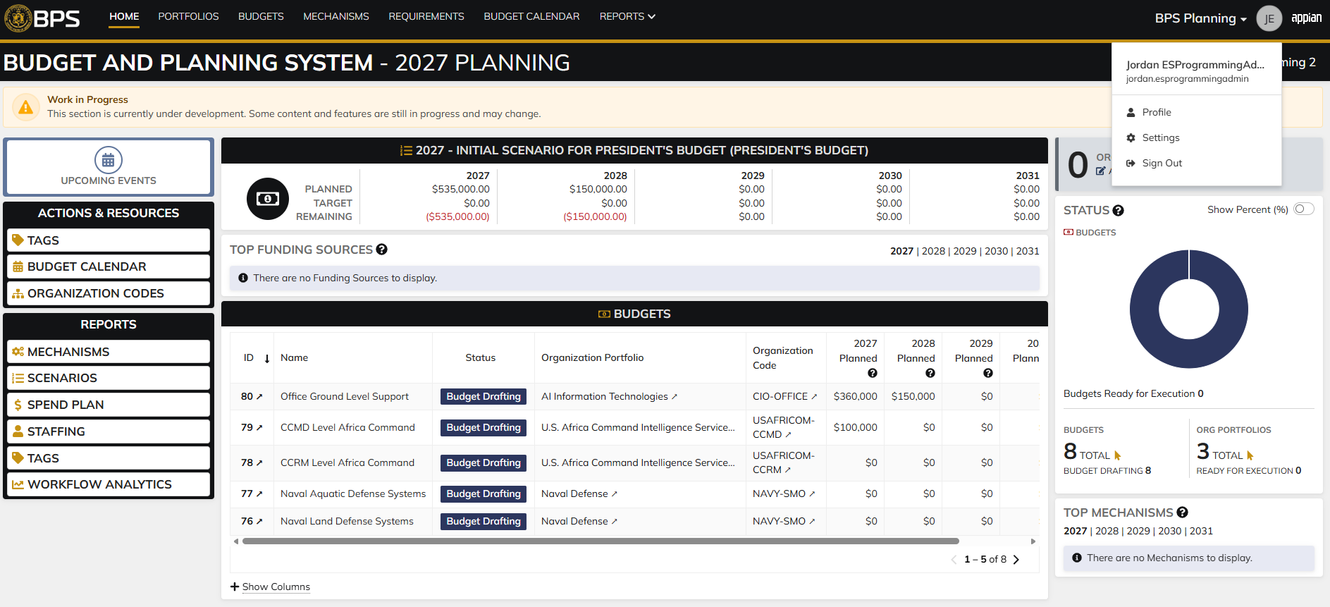
Evidences:
Scenario 1
 |  |  | Planning home page

 |  |  | Funds Management home page

 |  |  | Codes record page, "DRA Code" selected by default

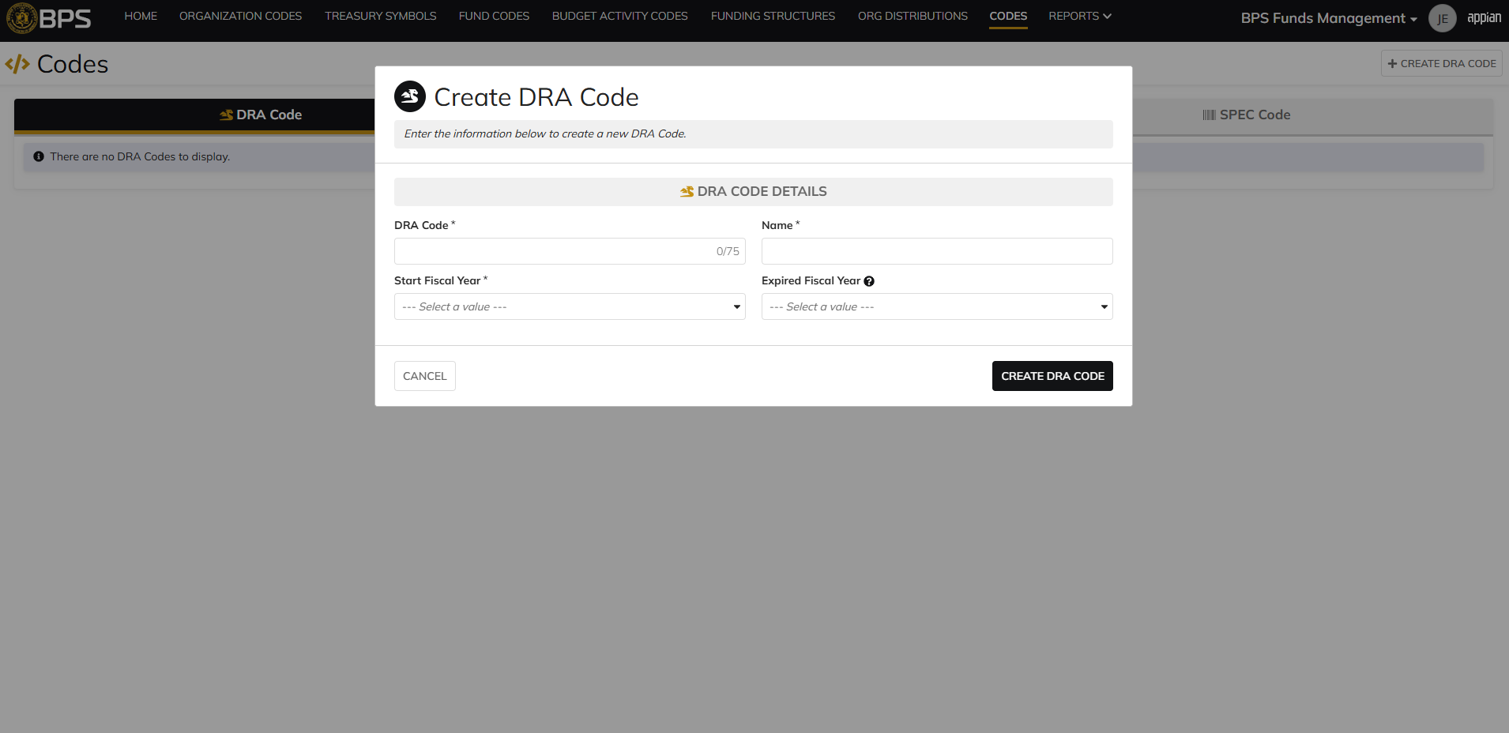
 |  |  | DRA Code creation form in pop-up window

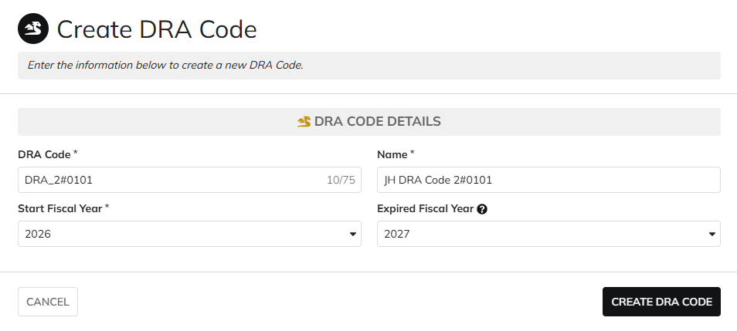
 |  |  | User can enter DRA Code, Name, Start Fiscal Year, Expired Fiscal Year

 |  |  | User successfully creates a DRA Code. DRA Code is Active, all entered data is saved and audit information is saved

 |  |  | Summary View contains the same data

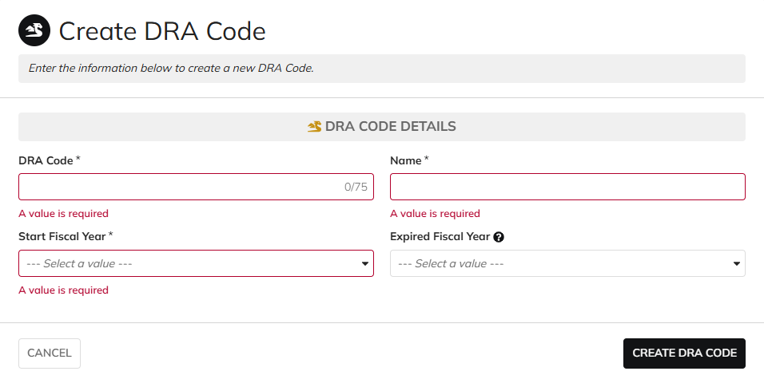
Scenario 2
 |  |  | The form does not submit if the required fields are blank

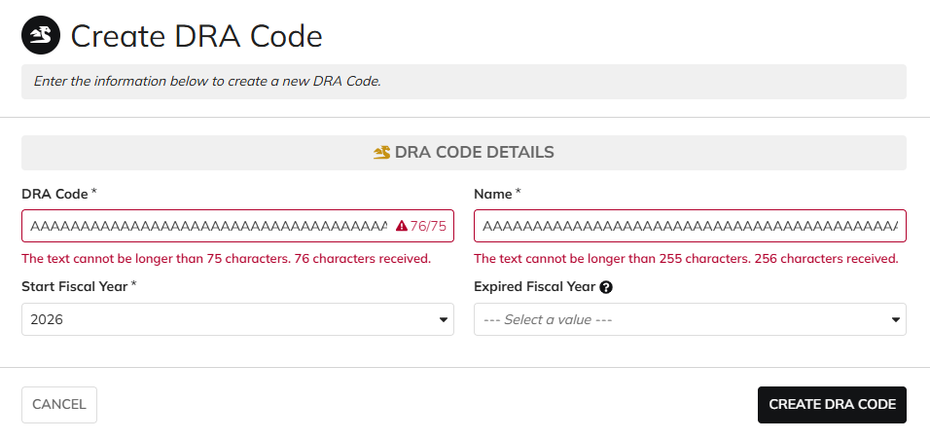
 |  |  | User cannot submit while exceeding the character limit on text fields

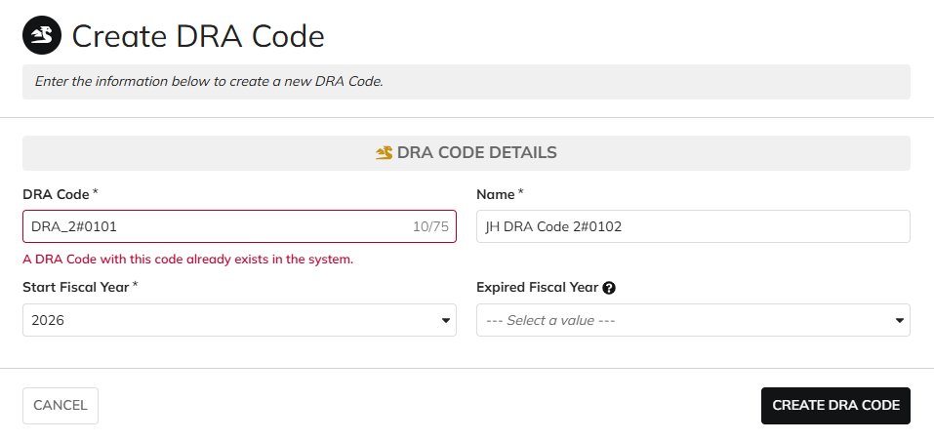
 |  |  | User cannot create DRA Codes with duplicate codes

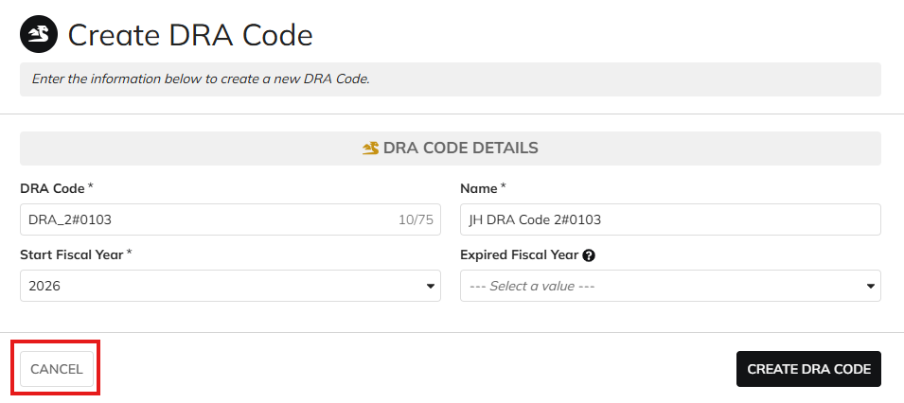
Scenario 3
 |  |  | User is able to cancel out of the form

 |  |  | No new DRA Codes are created after clicking "CANCEL"

Scenario 4
 |  |  | Codes record page. DRA Code referenced in Pre-Conditions noted

 |  |  | The "Update DRA Code" action is available upon clicking the "Actions" icon

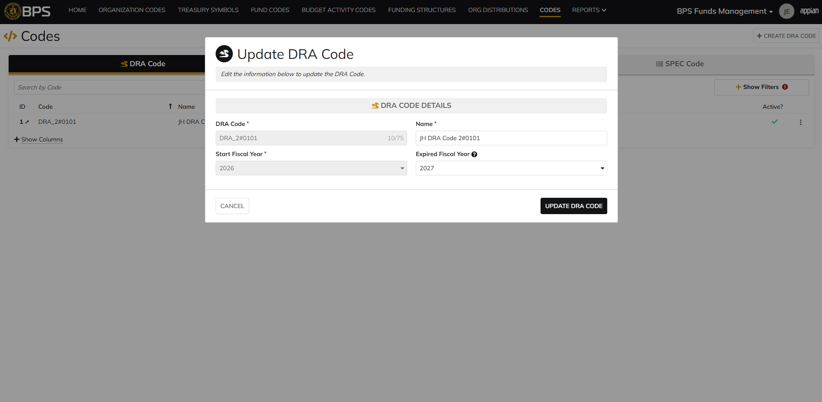
 |  |  | DRA Code update form in pop-up window. Matching data pre-populates each field


 |  |  | User can edit the Name and Expired Fiscal Year
 |  |  | For DRA Code and Start Fiscal Year, the fields are disabled for editing

 |  |  | User successfully updates a DRA Code. All entered data is saved and audit information is saved

 |  |  | Summary View reflects the same data

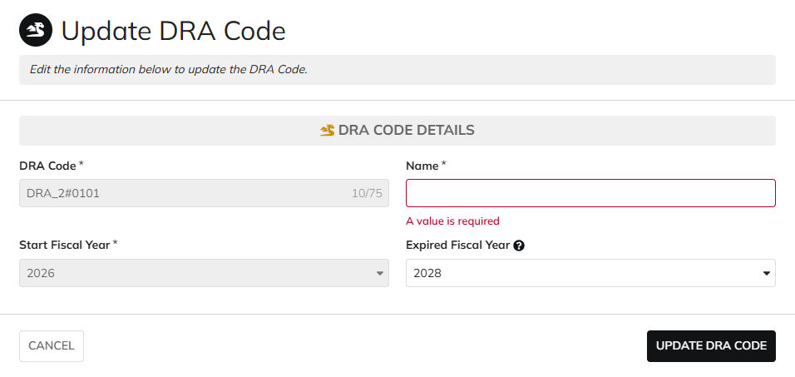
Scenario 5
 |  |  | The form does not submit if the required fields are blank

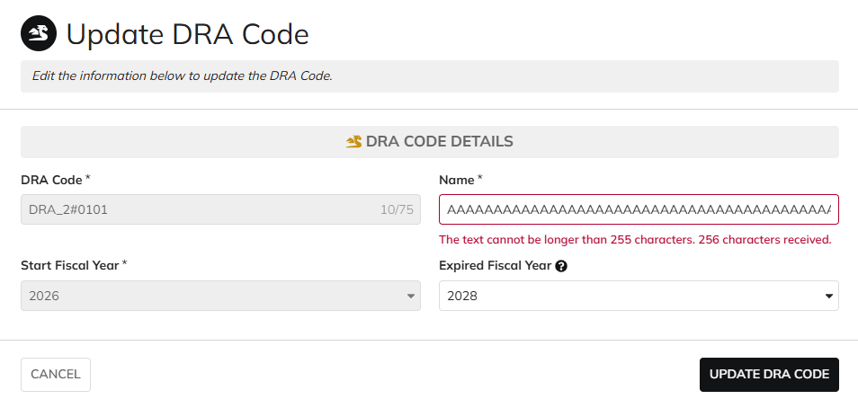
 |  |  | User cannot submit while exceeding the character limit on text fields

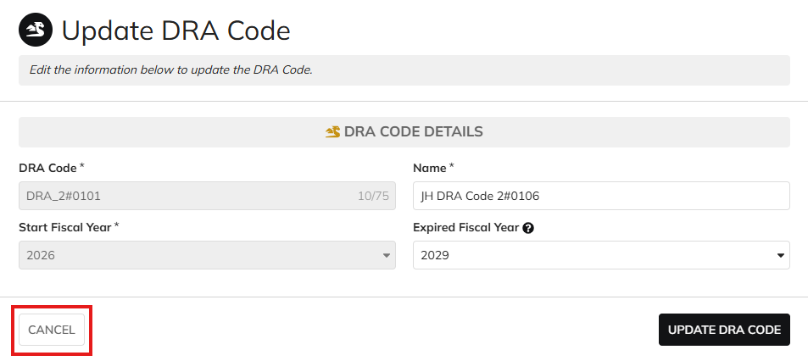
Scenario 6
 |  |  | User is able to cancel out of the form

 |  |  | The DRA Code data is not updated after clicking "CANCEL"

Scenario 7
 |  |  | Codes record page. DRA Code referenced in Pre-Conditions noted

 |  |  | The "Archive DRA Code" action is available upon clicking the "Actions" icon

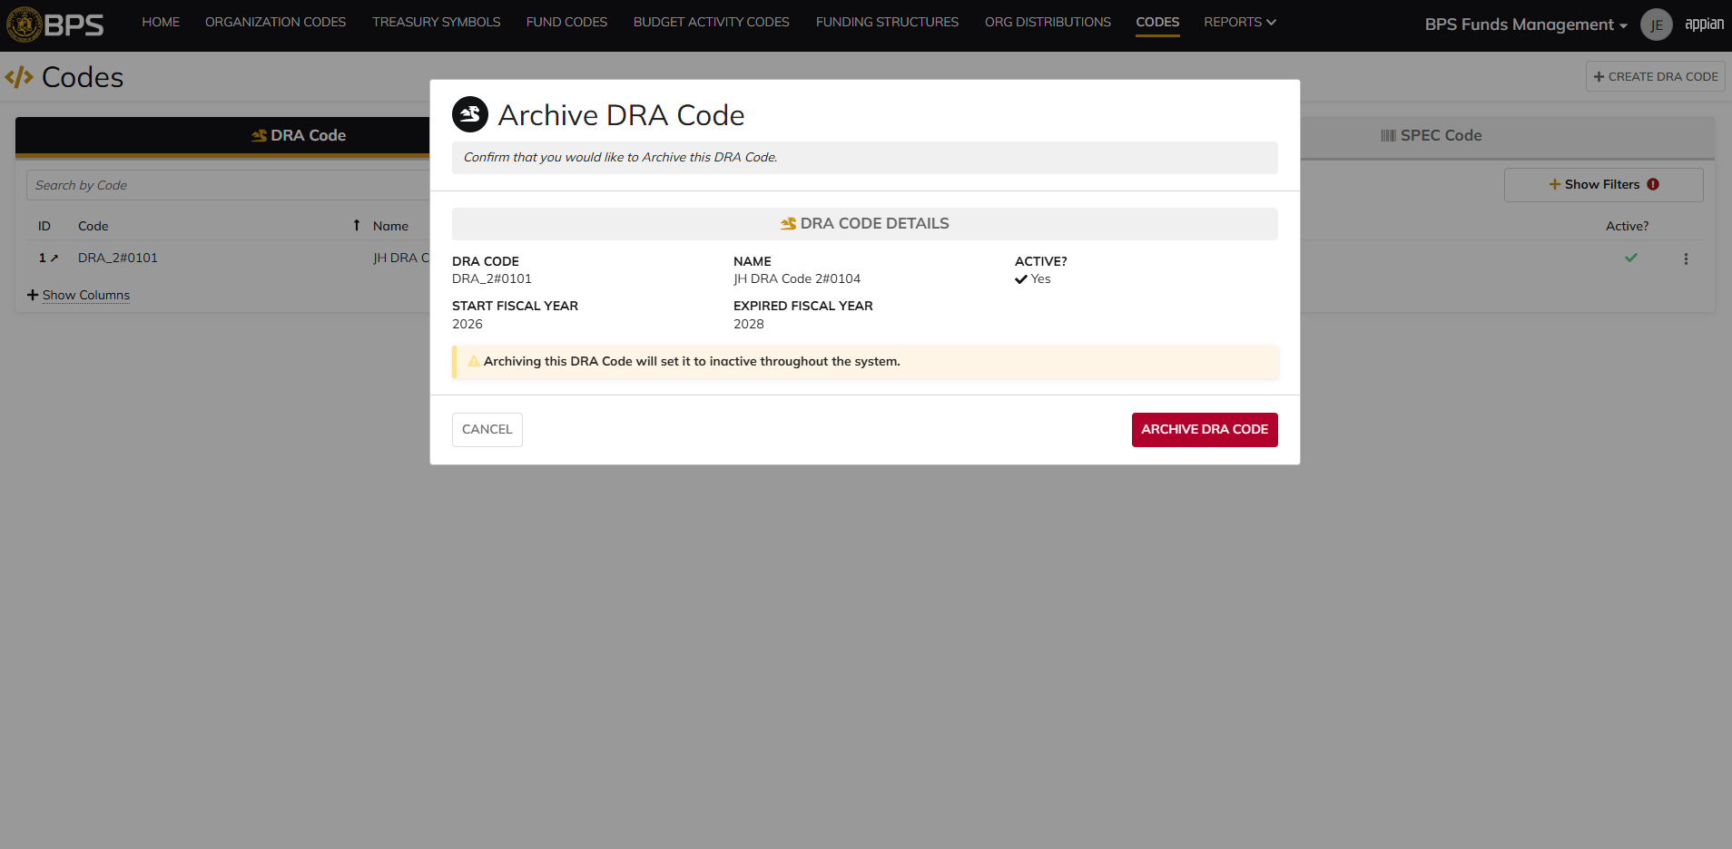
 |  |  | DRA Code archive form in pop-up window. DRA Code data displays as read-only

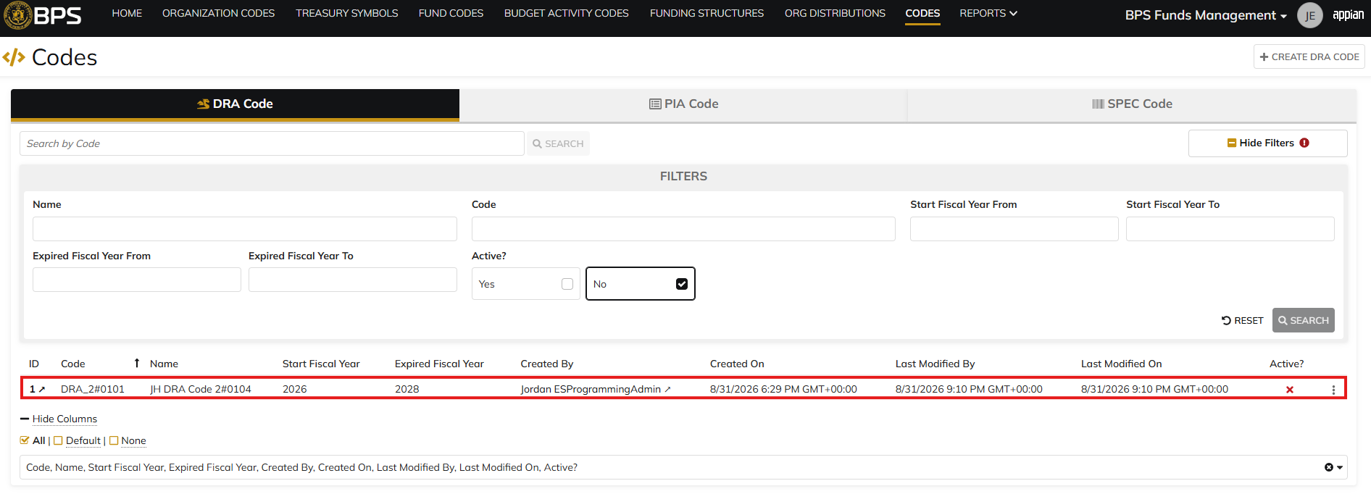
 |  |  | User successfully archives a DRA Code. "Active?" is so to 'No' and audit information is saved

 |  |  | Summary View reflects the same data. DRA Code status is 'Inactive'

Scenario 8
 |  |  | Codes record page. DRA Code referenced in Pre-Conditions #1 noted

 |  |  | Summary View of the DRA Code. The "Archive DRA Code" action is not available

 |  |  | Codes record page. DRA Code referenced in Pre-Conditions #2 noted

 |  |  | Summary View of the DRA Code. The "Archive DRA Code" action is not available

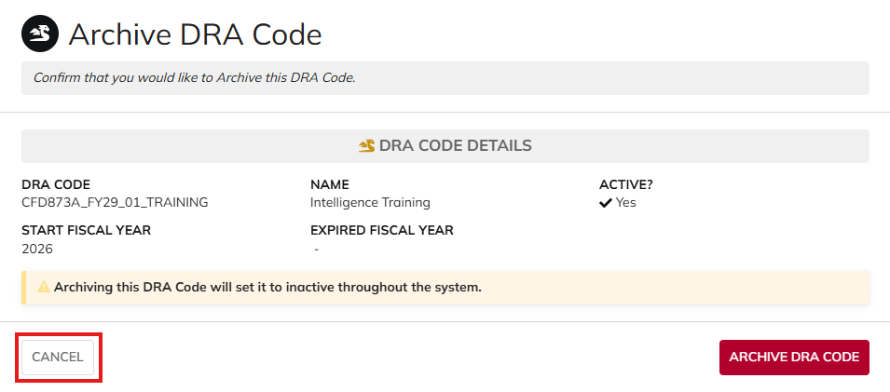
Scenario 9
 |  |  | User is able to cancel out of the form

 |  |  | The DRA Code is not archived after clicking "CANCEL"

All Other Roles
DIABPS Sprint 1.2 - DIABPS-2 TEST CASES |  |  |  | TESTER INFO
Test Case ID: | DIABPS_2#02 |  |  | Created By: | Jordan Helman
User Story: | DIABPS-2 - Manage DRA Codes (Funds Management Module) |  |  | Created On: | 2026-08-27
Story Description: | As a Programming Admin within the ES Organization, I can manage the list of DRA (Directed Resource Allocation) codes available for use in the system to track various entities that require special oversight. |  |  | Reviewed By:
User Role: | DS Programming Admin, Execution Admin, Manpower Admin, Resource Management Lead, Programming Lead, Execution Lead, Manpower Lead, Programming Analyst, Execution Analyst, Manpower Analyst, Viewer (DS/ES/RMO/CCRM/SMO) |  |  | Reviewed On:
Acceptance Criteria: |  |  |  | Executed By: | Jordan Helman
Environment: | DIABPS Test |  |  | Executed On: | 2026-09-01

TEST SCENARIO 1
Test Scenario: | A user cannot create, update, or archive a DRA Code if their role is not applicable.
Pre-Conditions: | At least 1 Active DRA Code exists in the system that is not expired and its "Start Fiscal Year" is not in the future
Execution Steps: |  | Input Data | Expected Result | Pass/Fail | Comments
STEP 1 | Log in as an ES Programming Admin https://ams-test.appiancloud.us/suite/ | Username: jordan.dsprogrammingadmin | The user logs in successfully and is now on the Planning Module Home page | Pass
STEP 2 | Click the Site Navigation Menu located on the top-right of the page |  | A list of available sites displays | Pass
STEP 3 | Click "BPS Funds Management" |  | The Funds Management Home Page displays in a new browser tab | Pass
STEP 4 | Click the "CODES" tab in the Navigation Header |  | The Codes record page displays | Pass
STEP 5 | Verify the "DRA Code" tab is selected by default (indicated by a darkened color) |  |  | Pass
STEP 6 | Verify the "+ CREATE DRA CODE" button is not visible |  |  | Pass
STEP 7 | In the grid, locate the row for the DRA Code referenced in Pre-Conditions |  |  | Pass
STEP 8 | Click the link located in the "ID" column |  | A DRA Code summary view displays in a new browser tab | Pass
STEP 9 | Click the "Related Actions" tab |  | The Related Actions will display | Pass
STEP 10 | Verify the "Update DRA Code" and "Archive DRA Code" actions do not appear |  |  | Fail | [Jordan]: "Archive DRA Code" is available when it shouldn't be. Added this issue to the bug tracker
STEP 12 | Log out |  | The user is logged out of the application | Pass
STEP 13 | Repeat all steps for each listed User Role | Execution Admin: jordan.esexecutionadmin Manpower Admin: jordan.dsmanpoweradmin Resource Management Lead: jordan.rmoresourcemanagementlead Programming Lead: jordan.smoprogramminglead Execution Lead: jordan.ccrmexecutionlead Manpower Lead: jordan.rmomanpowerlead Programming Analyst: jordan.ccrmprogramminganalyst Execution Analyst: jordan.smoexecutionanalyst Manpower Analyst: jordan.rmomanpoweranalyst Viewer: jordan.dsviewer |  | Fail | [Jordan]: Same issue from Step 10 applies to all users
Overall Status: | Non-applicable User Roles cannot access the DRA Code create, update, or archive forms |  |  | Fail | [Jordan]: All users can access the Archive form

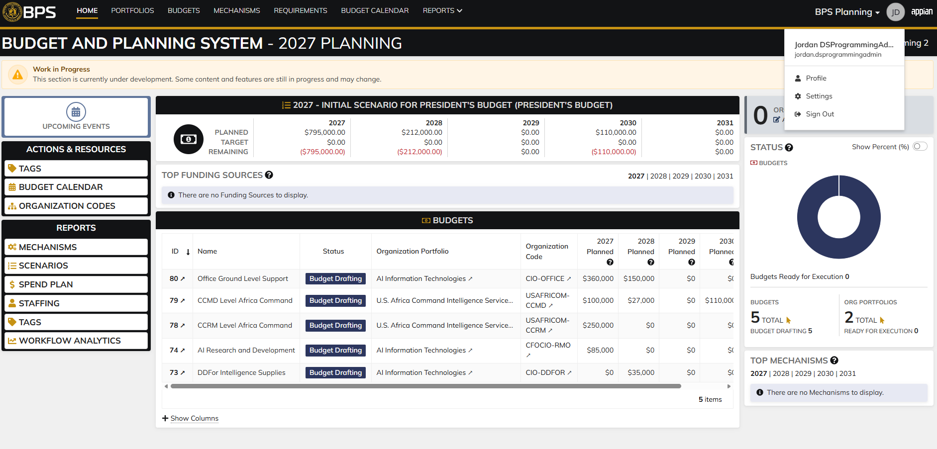
Evidences:
Scenario 1
 |  |  | Planning home page

 |  |  | Funds Management home page

 |  |  | DRA Code record page, "+ CREATE DRA CODE" button is not available

 |  |  | Summary view of a DRA Code. "UPDATE DRA CODE" button is hidden.
 |  |  | "ARCHIVE DRA CODE" button should be hidden as well

